list
Title | UPC | Picture | QTY |  |  | Brand | Sub-Brand | Description | Age Range | Material Content | Size | Country of Origin | Imported/USA | Length (IN) | Width (IN) | Height (IN) | Weight (lbs & oz)
PBS KIDS - Supermarket Scramble Game | 825452513980 | 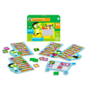 | 950 | $12.99 | $12,340.50 | PBS Kids | Orchard | Let's explore the grocery store! Jourrney around the supermarket as you race to fill your cart with all of the items on your shopping list in this yummy and education memory game. | 3 to 7 years | 90% cardboard,10% plastic | Small | United Kingdom | Imported | 7.5 | 2 | 5.5 | 12.5 oz
PBS KIDS - Quack! Cluck! Moo! Game | 825452513997 | 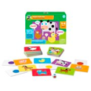 | 2,500 | $12.99 | $32,475.00 | PBS Kids | Orchard | Quack, moo, and cluck your way to fun in this education memory game. Roll the dice, match the colored spots, and make the noise of the animal that may be hiding under the card to win the game. | 3 to 6 years | 90% cardboard,10% plastic | Small | United Kingdom | Imported | 7.5 | 2 | 5.5 | 13.4 oz
PBS KIDS - World’s Greatest Chef Game | 825452514000 | 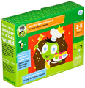 | 15 | $11.99 | $179.85 | PBS Kids | Orchard | Get your aprons on and spatulas ready! Be the first to collect all of the ingredients to make your recipe, and whip up a delicious meal in this fun memory and spinner game! | 3 to 7 years | 90% cardboard,10% plastic | Small | United Kingdom | Imported | 7.5 | 2 | 5.5 | 13.7 oz
PBS KIDS - Fun on the Farm – Jumbo Jigsaw Puzzle | 825452514017 | 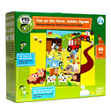 | 3,050 | $14.99 | $45,719.50 | PBS Kids | Orchard | Prepare for a fun day on the farm with this 45-piece puzzle. Explore farm animals, plants, and more as you work together to bring your jumbo puzzle (24" wide x 34" long) to life. | 3 to 6 years | 90% cardboard,10% plastic | Medium | United Kingdom | Imported | 12 | 3.5 | 10.25 | 2 lb 13.5 oz
PBS KIDS - Puzzle Your-Way – Road Builder | 825452514024 | 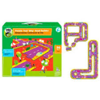 | 475 | $14.99 | $7,120.25 | PBS Kids | Orchard | Prepare for an on-road adventure with PBS KIDS! The Road Puzzle scene is jam-packed with fun people, places, and things that go. Have fun exploring different road designs as you connect this oversize 20-piece puzzle. Each puzzle piece is 7" across. | 4 + | 90% cardboard,10% plastic | Medium | United Kingdom | Imported | 12 | 3.5 | 10.25 | 2 lb 5.7 oz
PBS KIDS - Use Your Noodle and Doodle | 9781941367056 | 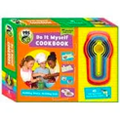 | 100 | $6.99 | $699.00 | PBS Kids | Downtown Bookworks | Includes 48 sheets of heavy, 100% recycled paper and 3 double ended crayons. Also includes starter art to get your child's imagination going. | 4 + | 90% cardboard,10% plastic | Medium | China | Imported | 7 | 0.5 | 10 | 9.8 oz
PBS KIDS - Look & Learn Insects | 9781935703853 |  | 25 |  | $25.00 | PBS Kids | Downtown Bookworks | There's no better way to learn about the insects around us than to see them up Close ! Packed with fun facts and simple tips for identifying common critters. | 4+ | 90% cardboard,10% plastic | Medium | China | Imported | 12 | 2 | 7.5 | 1 lb 5.8 oz
PBS KIDS - Look & Learn Birds | 9781941367292 | 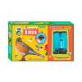 | 40 | $13.99 | $559.60 | PBS Kids | Downtown Bookworks | There's no better way to learn about the Birds around us than to see them up Close ! | 4+ | 90% cardboard,10% plastic | Medium | China | Imported | 12 | 2 | 7.5 | 1 lb 5.8 oz
PBS KIDS - Sticks & Stones | 978193570384 | 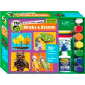 | 300 |  | $300.00 | PBS Kids | Downtown Bookworks | Super Simple Crafts: Sticks & Stones | 4+ | 90% cardboard,10% plastic | Medium | China | Imported | 12 | 2 | 7.5 | 1 lb 5.8 oz
PBS KIDS - SCOOT POLICE CAR | 679952710819 |  | 1,400 | $6.99 | $9,786.00 | PBS Kids | Maple Landmark | Pure fun to play with! These delightful toys are assembled by hand in Vermont from local woods and are built to bring joy forever. Choose from several colorful designs. Because life's a scoot! Kid-Powered, Wooden Toys, Non-Toxic, Lifetime Guarantee, and Made in USA. | 2 + | 100% recycled wood | Small | United States | USA | 4 | 1.3 | 2 | 2.3 oz
PBS KIDS - SCOOT FIRE TRUCK | 679952710826 | 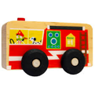 | 1,800 | $6.99 | $12,582.00 | PBS Kids | Maple Landmark | Pure fun to play with! These delightful toys are assembled by hand in Vermont from local woods and are built to bring joy forever. Choose from several colorful designs. Because life's a scoot! Kid-Powered, Wooden Toys, Non-Toxic, Lifetime Guarantee, and Made in USA. | 2 + | 100% recycled wood | Small | United States | USA | 4 | 1.3 | 2 | 2.3 oz
PBS KIDS - SCOOT AMBULANCE | 679952710840 | 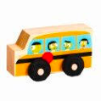 | 125 | $7.99 | $998.75 | PBS Kids | Maple Landmark | Pure fun to play with! These delightful toys are assembled by hand in Vermont from local woods and are built to bring joy forever. Choose from several colorful designs. Because life's a scoot! Kid-Powered, Wooden Toys, Non-Toxic, Lifetime Guarantee, and Made in USA. | 2 + | 100% recycled wood | Small | United States | USA | 4 | 1.3 | 2 | 2.3 oz
PBS KIDS - SCOOT AIRPLANE | 679952710857 | 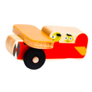 | 100 | $7.99 | $799.00 | PBS Kids | Maple Landmark | Pure fun to play with! These delightful toys are assembled by hand in Vermont from local woods and are built to bring joy forever. Choose from several colorful designs. Because life's a scoot! Kid-Powered, Wooden Toys, Non-Toxic, Lifetime Guarantee, and Made in USA. | 2 + | 100% recycled wood | Small | United States | USA | 4 | 1.3 | 2 | 2.3 oz
PBS KIDS - SCOOT DUMP TRUCK | 679952710864 |  | 250 | $6.99 | $1,747.50 | PBS Kids | Maple Landmark | Pure fun to play with! These delightful toys are assembled by hand in Vermont from local woods and are built to bring joy forever. Choose from several colorful designs. Because life's a scoot! Kid-Powered, Wooden Toys, Non-Toxic, Lifetime Guarantee, and Made in USA. | 2 + | 100% recycled wood | Small | United States | USA | 4 | 1.3 | 2 | 2.3 oz
PBS KIDS - SCOOT RACECAR | 679952710871 | 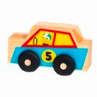 | 600 | $6.99 | $4,194.00 | PBS Kids | Maple Landmark | Pure fun to play with! These delightful toys are assembled by hand in Vermont from local woods and are built to bring joy forever. Choose from several colorful designs. Because life's a scoot! Kid-Powered, Wooden Toys, Non-Toxic, Lifetime Guarantee, and Made in USA. | 2 + | 100% recycled wood | Small | United States | USA | 4 | 1.3 | 2 | 2.3 oz
PBS KIDS - SCOOT BOAT | 679952710888 | 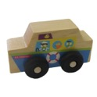 | 100 | $6.99 | $699.00 | PBS Kids | Maple Landmark | Pure fun to play with! These delightful toys are assembled by hand in Vermont from local woods and are built to bring joy forever. Choose from several colorful designs. Because life's a scoot! Kid-Powered, Wooden Toys, Non-Toxic, Lifetime Guarantee, and Made in USA. | 2 + | 100% recycled wood | Small | United States | USA | 4 | 1.3 | 2 | 2.3 oz
PBS KIDS - SCOOT SAFARI | 679952710895 |  | 1,600 | $6.99 | $11,184.00 | PBS Kids | Maple Landmark | Pure fun to play with! These delightful toys are assembled by hand in Vermont from local woods and are built to bring joy forever. Choose from several colorful designs. Because life's a scoot! Kid-Powered, Wooden Toys, Non-Toxic, Lifetime Guarantee, and Made in USA. | 2 + | 100% recycled wood | Small | United States | USA | 4 | 1.3 | 2 | 2.3 oz
PBS KIDS - SCOOT TOW TRUCK | 679952710901 | 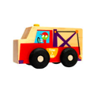 | 15 | $6.99 | $104.85 | PBS Kids | Maple Landmark | Pure fun to play with! These delightful toys are assembled by hand in Vermont from local woods and are built to bring joy forever. Choose from several colorful designs. Because life's a scoot! Kid-Powered, Wooden Toys, Non-Toxic, Lifetime Guarantee, and Made in USA. | 2 + | 100% recycled wood | Small | United States | USA | 4 | 1.3 | 2 | 2.3 oz
PBS KIDS - Toy Safari Shape Sorter | 6940351729080 |  | 50 | $21.99 | $1,099.50 | PBS Kids | Classic Toys | Set off into the jungle or savannah in this safari vehicle and rescue a host of wild animals. Two drivers are also included in the set for imaginative play. Made of safe and non-toxic materials and responsibly produced overseas. | 18 Months + | 100% recycled wood | Medium | China | Imported | 10 | 4.5 | 6 | 1 lb 14.4 oz
PBS KIDS - Toy Produce Pick Up Shape Sorter | 6940351729097 | 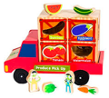 | 1,300 | $14.99 | $19,487.00 | PBS Kids | Classic Toys | This wooden toy comes with a variety of produce that fit into the corresponding slots on the truck. Fruits and vegetables inclue grapes, tomatoes, a carrot, a banana, and more! Two drivers are also included in the set for imaginative play. | 18 Months + | 100% recycled wood | Medium | China | Imported | 10 | 4.5 | 7.5 | 2 lb 1.6 oz
PBS KIDS - Tot Sandwich Stacker | 6940351729110 | 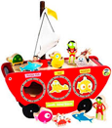 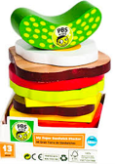 | 200 | $10.99 | $2,198.00 | PBS Kids | Classic Toys | Start with a slice of bread for the base, and your little one can build an amazing sandwich! Add on the ingredients in any order to create a scrumptious sandwich of wooden food. Made of safe and non-toxic materials and responsibily produced overseas. | 18 Months + | 100% recycled wood | Small | China | Imported | 3.5 | 3.5 | 6.5 | 12.1 oz
PBS KIDS - Alphabet Puzzle | 825452514697 | 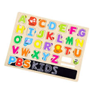 | 625 | $11.99 | $7,493.75 | PBS Kids | Classic Toys | Explore the outdoors and science while building literacy and fine motor skills. Wooden puzzle includes 26 puzzle pieces plus chalk and eraser for using with letter pieces to practice writing and spelling in the blackboard tray. | 18 Months + | 100% recycled wood | Medium | China | Imported | 15.25 | 0.25 | 11.88 | 1 lb 6.9 oz
PBS KIDS - Number Puzzle | 825452514703 | 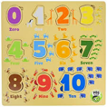 | 250 | $15.99 | $3,997.50 | PBS Kids | Classic Toys | Count, match, and puzzle your way through a colorful zoo while building math & physical skills. Wooden puzzle includes numerals 0-10 with features for introducing counting, number recognition, and even fractions. | 18 Months + | 100% recycled wood | Medium | China | Imported | 11.88 | 0.25 | 11.5 | 1 lb 2.1 oz
PBS KIDS - Rescue Racers 3-in-1 Emergency Vehicle | 825452514727 | 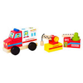 | 900 | $12.99 | $11,691.00 | PBS Kids | Classic Toys | Rearrange the four vehicle builder blocks and wheeled base to build a fire engine, ambulance, tow truck, or your own vehicle creation. Features include a ladder and tow hook that move up and down and pieces are interchangeable with the Creative Constructive 3-in-1 Construction Vehicle. | 18 Months + | 100% recycled wood | Medium | China | Imported | 13 | 3.5 | 8 | 1 lb 11.2 oz
PBS KIDS - Emergency Vehicles Play Set | 825452514710 | 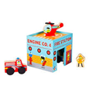 | 900 | $12.99 | $11,691.00 | PBS Kids | Classic Toys | Community helpers save the day! Kids can play with a fire engine, a police cruiser, a rescue helicopter, and two figures in, around, and on top o the busy city block where first responders do ther work. Structure includes fire station, police station, and helipad. Turn box upside-down and place vehicles and figures inside for easy clean-up! | 1 + | 100% recycled wood | Medium | China | Imported | 9 | 6 | 8.25 | 1 lb 12.7 oz
PBS KIDS - Creative Construction 3-in-1 Construction Vehicle | 825452514734 | 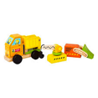 | 925 | $12.99 | $12,015.75 | PBS Kids | Classic Toys | Rearrange the four vehicle builder blocks and wheeled base to build a bulldozer, dump truck, crane, or your own vehicle creation. Features include a dumper, bulldozer shovel, and rotating crane that really move and pieces are inter-changeable with the Rescue Racers 3-in-1 Emergency Vehicle. | 18 Months + | 100% recycled wood | Medium | China | Imported | 13 | 3.5 | 8 | 1 lb 11.2 oz
PBS KIDS - Rainforest Blocks Play Set | 825452514741 | 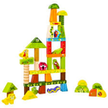 | 400 | $12.99 | $5,196.00 | PBS Kids | Classic Toys | Build a rainforest with wooden blocks and animal figures. From the rainforest floor to the canopy, stack and arrange different plants and animals to create your own world. Set inclues 37 geometric blocks and 8 animal figures. | 3 + | 100% recycled wood | Medium | China | Imported | 15 | 2.5 | 12 | 2 lb 7.7 oz
PBS KIDS - Plush Cow | 028399087990 | 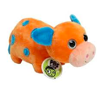 | 1,800 | $9.99 | $17,982.00 | PBS Kids | Gund | Plush Toy Cow | 2 + | Polyester Fibers, Plastic Pellets | Medium | China | Imported | 9.5 | 5 | 5.5 | 4.8 oz
PBS KIDS - Plush Monkey | 028399088621 | 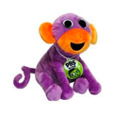 | 1,800 | $8.99 | $16,182.00 | PBS Kids | Gund | Plush Toy Monkey | 2 + | Polyester Fibers, Plastic Pellets | Medium | China | Imported | 9.5 | 5 | 5.5 | 4.8 oz
PBS KIDS - Plush Pig | 028399088683 | 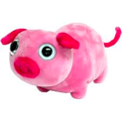 | 1,800 | $9.99 | $17,982.00 | PBS Kids | Gund | Plush Toy Pig | 2 + | Polyester Fibers, Plastic Pellets | Medium | China | Imported | 9.5 | 5 | 5.5 | 4.8 oz
PBS KIDS - Wow Science | 813268014524 | 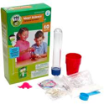 | 800 | $8.99 | $7,192.00 | PBS Kids | Be Amazing | Amazing Science Experiments to astound everyone ! | 4+ | 90% cardboard,10% plastic | Small | China | Imported | 5 | 2 | 8.5 | 5.9 oz
PBS KIDS - Rainbow Recipes | 813268014531 | 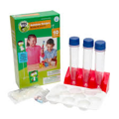 | 775 | $6.99 | $5,417.25 | PBS Kids | Be Amazing | The Science of Color mixing ! | 4+ | 90% cardboard,10% plastic | Small | China | Imported | 5 | 2 | 8.5 | 5.9 oz

 |  |  | 25,970 |  | $281,138.55

